Sheet1
TEAM SPORTS ORDER FORM

SCHOOL:

SHIP TO ADDRESS: |  |  | BILL TO ADDRESS:

CREDIT CARD # |  |  | EXP. DATE: |  |  | SEC CODE:

CONTACT NAME / TITLE:

CONTACT PHONE #: |  |  |  |  | ORDER DETAIL
 |  |  |  |  | Subtotal |  | $-
CONTACT EMAIL: |  |  |  |  | Shipping
 |  |  |  |  | Total Amout Due |  | $-

MUSCLE MILK COLLEGIATE Ready-To-Drink - 11oz |  | Quantity Per Package |  | Price Per Package/Case | Packages Ordered |  | Total = Price x Quantity
 | CHOCOLATE (12/case) | 1 case |  | $13.86 |  |  | $-
 | VANILLA (12/case) | 1 case |  | $13.86 |  |  | $-
 | BANANA (12/case) | 1 case |  | $13.86 |  |  | $-
 | STRAWBERRY (12/case) | 1 case |  | $13.86 |  |  | $-

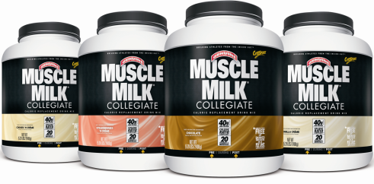
MUSCLE MILK COLLEGIATE Powder Tubs - 5.29 Lbs |  | Quantity Per Package |  | Price Per Package/Case | Packages Ordered |  | Total = Price x Quantity
 | CHOCOLATE (5.29 LBS) | 1 tub |  | $25.20 |  |  | $-
 | VANILLA (5.29 LBS) | 1 tub |  | $25.20 |  |  | $-
 | STRAWBERRY (5.29 LBS) | 1 tub |  | $25.20 |  |  | $-
 | COOKIES 'N CRÈME (5.29 LBS) | 1 tub |  | $25.20 |  |  | $-

MUSCLE MILK COLLEGIATE Powder Packets - 75g (2 scoops) |  | Quantity Per Package |  | Price Per Package/Case | Packages Ordered |  | Total = Price x Quantity
 | VANILLA (60/case) | 1 case |  | $47.25 |  |  | $-
 | CHOCOLATE (60/case) | 1 case |  | $47.25 |  |  | $-
 | COOKIES N' CREME (60/case) | 1 case |  | $47.25 |  |  | $-

MUSCLE MILK COLLEGIATE Bars - 40g |  | Quantity Per Package |  | Price Per Package/Case | Packages Ordered |  | Total = Price x Quantity
 | VANILLA TOFFEE CRUNCH (50/case) | 1 case |  | $39.38 |  |  | $-
 | CHOCOLATE PEANUT CARAMEL (50/case) | 1 case |  | $39.38 |  |  | $-

Rules and Guidelines |  | Order Instructions
1. This pricing is confidential |  | EMAIL ORDERS: luke.cherry@cytosport.com -or- graham.goeppert@cytosport.com
2. Shipping is FREE for all orders over $200.00; $7.50 for anything under |  | MAIL ORDERS: Luke Cherry -or- Graham Goeppert, 4795 Industrial Way, Benicia, CA 94510
3. Team orders are to be placed by a representative of the program/school |  | FAX ORDERS: 707-747-1534 ATTN: LUKE CHERRY -or- GRAHAM GOEPPERT
4. All orders are subject to availability
5. Shipping leadtime - 7 to 10 business days

